PERUFLORA, FLASKS 2016
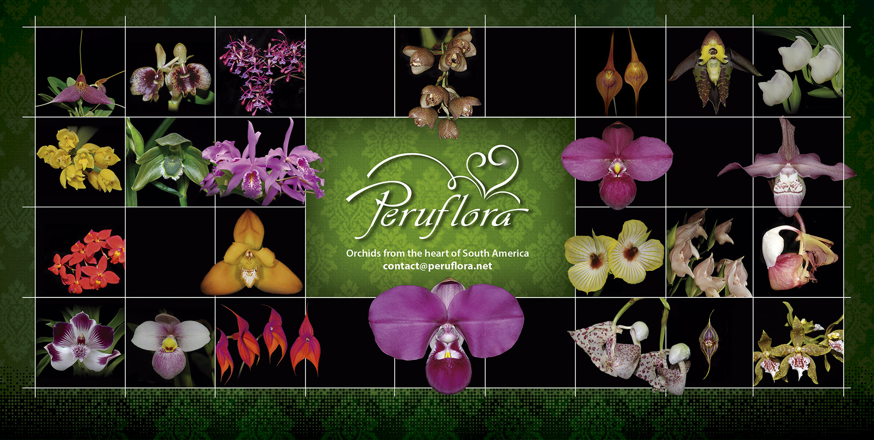
List of Flasks for Sale 2016
 | INSTRUCTIONS:

1. Enter the desired Quantity of Plants in the Column "Q". The "Total" column will update automatically.
2. Type your personal information in the cases below this list. Fill in the green cases only.
3. Send your order to: contact@peruflora.net

1. SECTION: ORCHID FLASKS, SPECIES & HYBRIDS
Available Number
of Flasks | Name | Q | US$ | Total
5 | FLASK, Acineta beyrodtiana (Seedlings) | 0 | 20 | 0
 | FLASK, Anguloa clowesii (Seedlings) | 0 | 18 | 0
 | FLASK, Brassia cauliformis | 0 | 18 | 0
 | FLASK, Catasetum incurvum (Seedlings) | 0 | 24 | 0
 | FLASK, Cattleya intermedia var. Alba (Seedlings) | 0 | 24 | 0
 | FLASK, Cattleya maxima semi alba ('Striata' x 'Becki') x Cattleya maxima coerulea 'Hector' (Seedlings) | 0 | 30 | 0
7 | FLASK, Cattleya violacea (var. Suave x var. Alba) (Seedlings) | 0 | 40 | 0
 | FLASK, Cattleya violacea var. Semialba | 0 | 36 | 0
 | FLASK, Comparettia falcata (Seedlings, almost blooming size) | 0 | 25 | 0
 | FLASK, Comparettia speciosa (Seedlings, almost blooming size) | 0 | 25 | 0
 | FLASK, Encyclia cordigera var. Semialba (Seedlings) | 0 | 20 | 0
 | FLASK, Epidendrum melanoporphyreum (Seedlings) | 0 | 32 | 0
 | FLASK, Epidendrum sp 1530 (Seedlings) | 0 | 16 | 0
5 | FLASK, Ida dyeriana (Seedlings) | 0 | 20 | 0
 | FLASK, Laeliopsis domingensis x Schomburgkia thompsoniana (Seedlings) | 0 | 20 | 0
 | FLASK, Macroclinium aurorae | 0 | 32 | 0
 | FLASK, Masdevallia don-quijote (Seedlings) | 0 | 20 | 0
 | FLASK, Mormodes buccinator (Seedlings) | 0 | 24 | 0
 | FLASK, Oncidium stacyi (Seedlings) | 0 | 32 | 0
 | FLASK, Phaius Tankervilleae (Seedlings) | 0 | 20 | 0
 | FLASK, Phragmipedium ((kovachii x besseae) x kovachii) (Seedlings) | 0 | 50 | 0
12 | FLASK, Phragmipedium ((kovachii x dalessandroi) x (kovachii x besseae var. flavum) (Seedlings) | 0 | 45 | 0
 | FLASK, Phragmipedium ((kovachii x schlimii) 'Sanson' x (kovachii x schlimii) 'Hercules') (Seedlings) | 0 | 45 | 0
4 | FLASK, Phragmipedium (hirtzii x schlimii) | 0 | 36 | 0
 | FLASK, Phragmipedium (kovachii x (kovachii x schlimii) 'Flor Grande') (Seedlings) | 0 | 50 | 0
 | FLASK, Phragmipedium (kovachii x besseae (From Perú)) (Seedlings) | 0 | 50 | 0
 | FLASK, Phragmipedium (kovachii x Memoria Dick Clements) (Seedlings) | 0 | 36 | 0
4 | FLASK, Phragmipedium (Les Dirouilles x kovachii) (Seedlings) | 0 | 36 | 0
 | FLASK, Phragmipedium (Silver Eagle x kovachii) (Seedlings) | 0 | 36 | 0
5 | FLASK, Phragmipedium (Sorcerer's Apprentice x kovachii) (Seedlings) | 0 | 36 | 0
 | FLASK, Phragmipedium wallisii (Seedlings) | 0 | 24 | 0
 | FLASK, Psygmorches pusilla (Seedlings, almost blooming size) | 0 | 24 | 0
 | FLASK, Sobralia rosea | 0 | 24 | 0
5 | FLASK, Sophronitis coccinea (Seedlings) | 0 | 24 | 0
 | FLASK, Stanhopea connata | 0 | 24 | 0
5 | FLASK, Stanhopea martiana (very fragant) (Seedlings) | 0 | 24 | 0
 | FLASK, Stanhopea sp 48476 | 0 | 24 | 0
 | FLASK, Trichocentrum lanceanum (Seedlings) | 0 | 24 | 0
 | FLASK, Warczewiczella timbiensis (Seedlings) | 0 | 24 | 0

Name | Type your name and surname here
Email | Type your email address here
Address | Type your postal address
Special Instructions | Type another instructions here.
 |  |  | TOTAL
 |  |  | US$ | $0.00

 | COMMERCIAL TERMS
1. This list cancels all previous lists and is based on the actual existing plants in our laboratory.
2. Prices are in US Dollars.
3. For direct importation, cost of Phyto sanitary permit is 100 US$.
If you wish to place an order but costs of direct importation are too high, we can deliver your order
while attending an Orchid Show close to you. Please let us know in the Special Instructions box above.
4. Discounts policy:
 | 5% from US$ 500.00 to 999.00
 | 10% from US$ 1,000.00 to US$ 1,999.00
 | 15% from US$ 2,000.00 to US$ 3,999.00
 | 20% for orders over US$ 4,000.00
5. Prices are FOB Lima Airport. Transportation fee is collect. A deposit in advance of at least 50%
of the value of plants and flasks plus 100% of the total cost of paperwork is required.
6. For further requests please do not hesitate to contact us: contact@peruflora.net
7. If you have a "Wanted List" of Andean/South American Orchids, then please send it to us. We may have
some of those plants in our collection, not announced in the price list.
8. For PayPal payment, we will add 4% to cover the discounts made by the money transfer.

